Budget Reversion Instructions
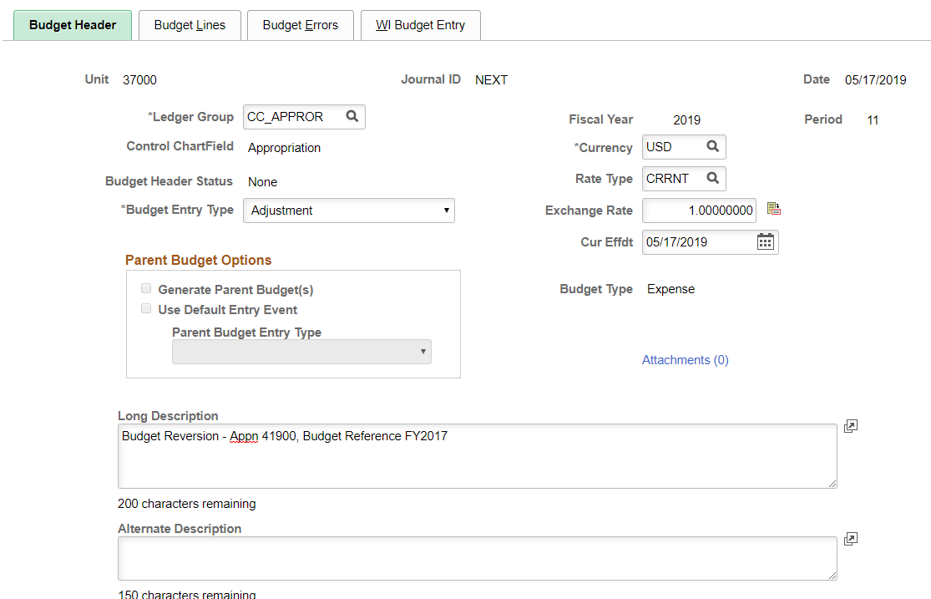
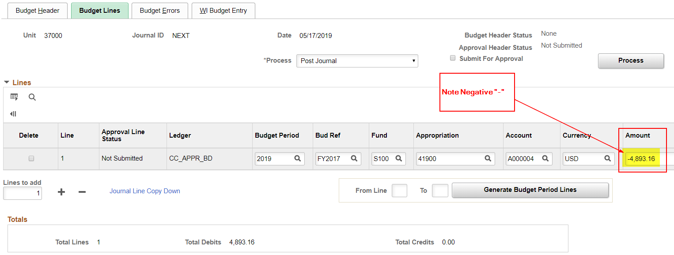
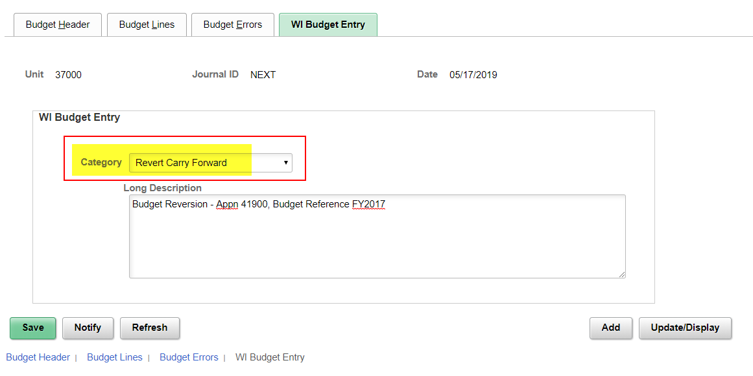
What is a reversion? When is it necessary?

A reversion occurs when budget authority carried forward from a prior fiscal year is revoked or returned to the funding source from which it came in a subsequent fiscal year. This most often occurs when an encumbrance, created from a purchase order, is closed in a subsequent fiscal year. The now available funds, created from the closed encumbrance, are no longer needed for the purpose encumbered which prompts a budgetary reversion.

Identify in Pivot Table:

Confirm in Budget Overview:

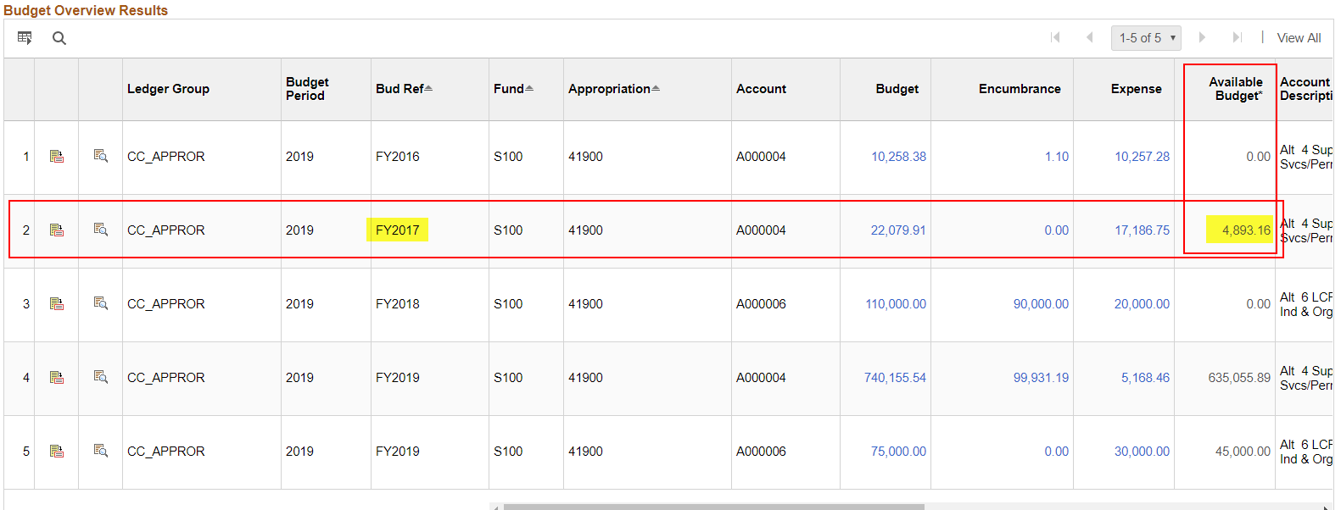

Process Budget Reversion Journal:

Source Query
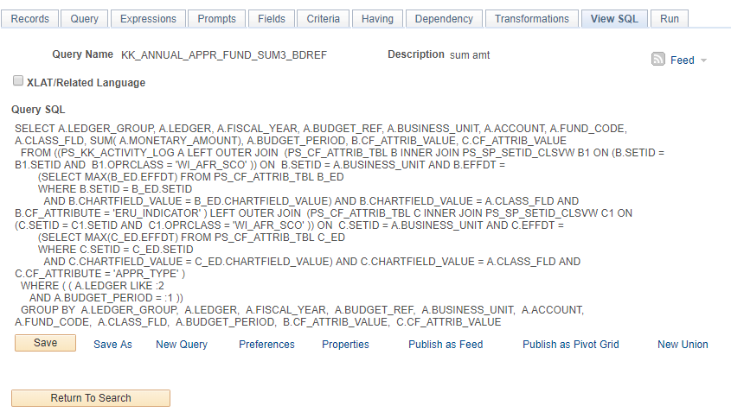

*This is a private SCO Query

