State of WI BUs
Business Unit | Business Unit Name (Agency)
11500 | Agriculture, Trade and Consumer Protection
14400 | Financial Institutions | Source:
14500 | Office of the Commissioner of Insurance | Listing of Wisconsin State Agencies
15500 | Public Service Commission | WAM Section 02-02
16500 | Safety and Professional Services | Link: https://doa.wi.gov/Pages/StateFinances/Wisconsin-Accounting-Manual.aspx
19000 | State Fair Park Board
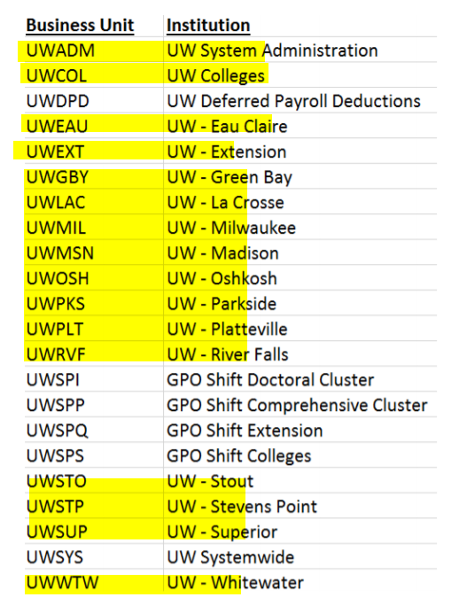
22000 | Wisconsin Artistic Endowment Foundation
22500 | Educational Communications Board
23500 | Higher Educational Aids Board
24500 | WI Historical Society
25500 | Public Instruction
285-UWADM | UW System Administration
285-UWCOL | UW Colleges
285-UWEAU | UW - Eau Claire
285-UWEXT | UW - Extension
285-UWGBY | UW - Green Bay
285-UWLAC | UW - La Crosse
285-UWMIL | UW - Milwaukee
285-UWMSN | UW - Madison
285-UWOSH | UW - Oshkosh
285-UWPKS | UW - Parkside
285-UWPLT | UW - Platteville
285-UWRVF | UW - River Falls
285-UWSTO | UW - Stout
285-UWSTP | UW - Stevens Point
285-UWSUP | UW - Superior
285-UWWTW | UW - Whitewater
29200 | WI Technical College System
32000 | Environmental Improvement Program
36000 | Lower Wisconsin State Riverway Board
37000 | Natural Resources
37300 | Fox River Navigational System Authority
38000 | Tourism
38500 | Kickapoo Reserve Management Board
39500 | Transportation
41000 | Corrections
42500 | WI Employment Relations Commission
42700 | Labor and Industry Review Commission
43200 | Board on Aging and Long-term Care
43300 | Child Abuse and Neglect Prevention Board
43400 | Adolescent Pregnancy Prevention Board
43500 | Health Services
43700 | Children and Families
43800 | Board for People with Developmental Disabilities
44500 | Workforce Development
45500 | Justice
46500 | Military Affairs
47500 | District Attorneys
48500 | Veterans Affairs
48800 | Cost Containment
50500 | Administration
50700 | Board and Commissioners of Public Lands
51000 | Elections Commission (prev. Elections Board)
51500 | Employee Trust Funds
52100 | Ethics Commission (prev. Ethics Board)
52500 | Office of the Governor
53600 | State of Wisconsin Investment Board
54000 | Office of the Lieutenant Governor
54500 | Office of State Employment Relations
54700 | Personnel Commission
55000 | Public Defender Board
56600 | Revenue
57500 | Secretary of State
58500 | Office of the State Treasurer
62500 | Circuit Courts
66000 | Court of Appeals
66500 | Judicial Commission
67000 | Judicial Council
68000 | Supreme Court
76501 | Legislature - Senate
76502 | Legislature - Assembly
76503 | Legislative Reference Bureau
76504 | Legislative Audit Bureau
76505 | Legislative Fiscal Bureau
76506 | Legislative Council
76507 | Legislative Technology Service Bureau

