Form 6 Part 1-2 Ex.
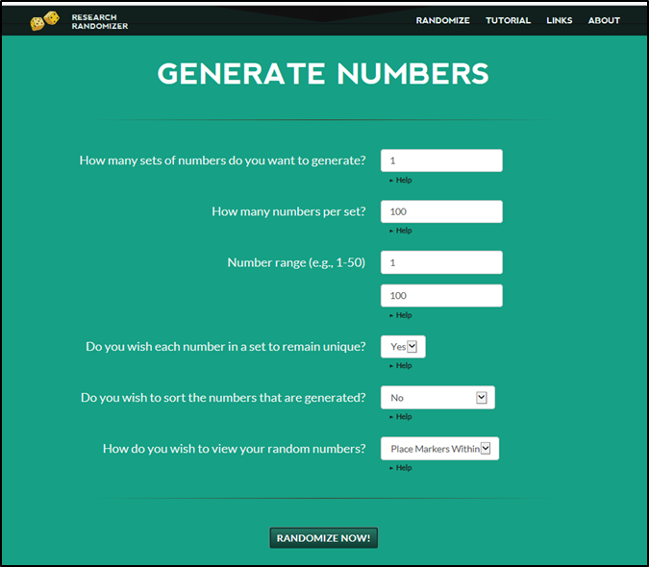
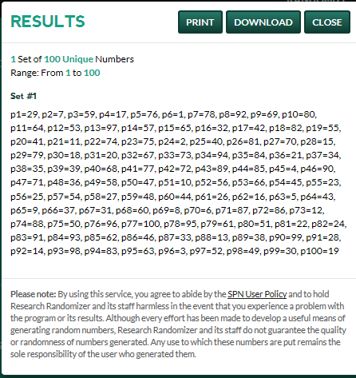
(FORM 6 - PART 1-2 EXAMPLE) Random Sample Survey Methodology: |  | Survey End Date: 1/24/2020
VILLAGE OF YOURVILLE

PART 1 - Summary of Randomization Process:

 | Used Randomizer.org. Randomized 100 families. Selected families for Original Sample and Over Sample through corresponding Family #s to p1-p49 in Randomizer.org Results. Results are below.

PART 2 - Randomizer.org Random Number Generator Criteria Entered and Results Screenshots:

